Main
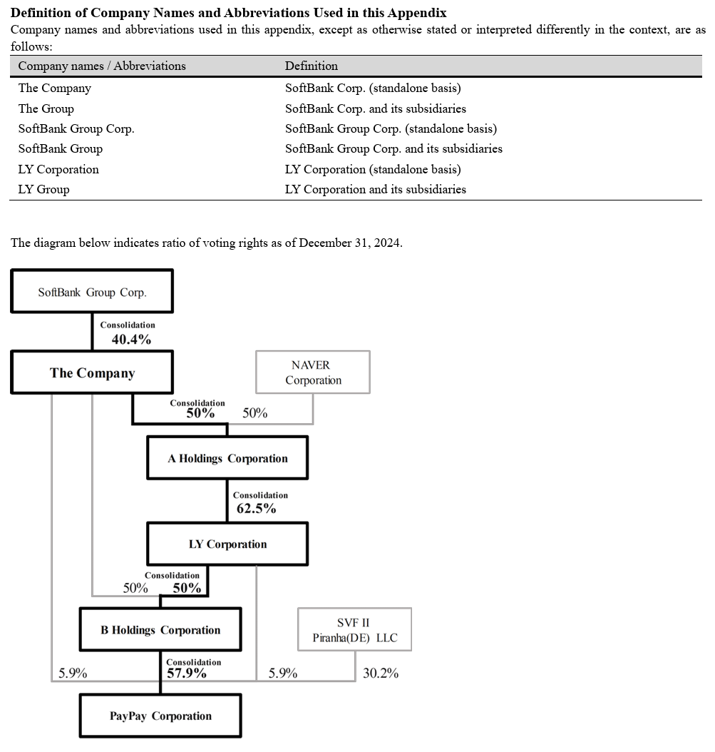
 | Price JPY | 281
 | Shares | 47,264
 | MC JPY | 13,281,175
 | Cash JPY | 4,118,585
 | Debt JPY | 6,215,808
 | EV JPY | 15,378,398

SoftBank Corp. (the “Company”) is a corporation (kabushiki kaisha) under the Companies Act of Japan and is domiciled in Japan.
These condensed interim consolidated financial statements are comprised of the Company and its subsidiaries (the “Group”).
The parent of the Company is SoftBank Group Japan Corporation. The ultimate parent company of the Company is SoftBank Group Corp.
The registered address of its head office is 7-1 Kaigan 1-chome, Minato-ku, Tokyo, Japan.

